Chart
PRICE LIST
IMAGE | QTY / PCS | CASE PACK | # OF CASES | PRODUCT DESCRIPTION | PRICE | UPC | BATCH CODE:
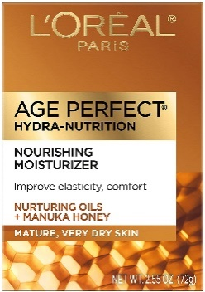 | 6,432 | 24 | 268 | Loreal Age Perfect Hydra-Nutrition Day Cream - Anti-Aging Cream 2.55 oz | $7.59 | 071249403853 | 20S801

